Sankey Diagram
PHASTEx - U.S. Units Version
Developed by E3M Inc. under contract with Oak Ridge National Laboratory

 | Furnace Heat Balance (Sankey Diagram) | Select energy unit for report

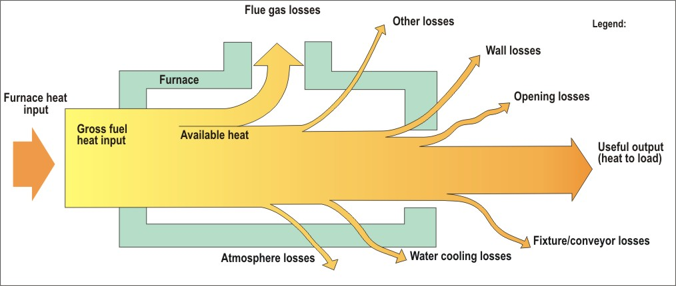
0.00
 |  | kgce
0
Current Condition
0.00
Modified Condition
0.00
0.00
0.00

0.00

0.00

0.00

0.00
0.00

0.00
0.00
0.00

0.00

0.00
All quantities are in units of kgce/Hr.
0.00
0.00
0.00
All quantities are in units of kgce/Hr.
0.00
0.00

Note: | This is a "static" Sankey Diagram with no changes in width of the arrows.
 | The value shown for each arrow represents heat input or use or loss in terms of kgce/hour
 | The top value is for "current" conditions and the bottom value is for "modified" conditions.

Energy Usage Distribution
PHASTEx - U.S. Units Version
Developed by E3M Inc. under contract with Oak Ridge National Laboratory

 | Report Page 1
 | Distribution of Energy Usage By Area-Current Condition

Heat Balance - Current Condition
Net Heat Usage By Area

 |  | Heat Loss/Use | Current | Modified
 |  | Charge-load | 0.00 | 0.00
 |  | Fixtures etc. | 0.00 | 0.00
 |  | Wall surfaces | 0.00 | 0.00
 |  | Water/air cooling | 0.00 | 0.00
 |  | Atmosphere | 0.00 | 0.00
 |  | Openings | 0.00 | 0.00
 |  | Other loss | 0.00 | 0.00
Note - If the data labels are displaced or entangled, please adjust them manually. You could also change the overall layout of the chart using chart design tools.
 |  | Flue gases | 0.00 | 0.00
 |  | Total | 0.00 | 0.00
 |  | All quantities are in units of kgce/Hr.

Energy Usage Distribution pg2
PHASTEx - U.S. Units Version
Developed by E3M Inc. under contract with Oak Ridge National Laboratory

 | Report Page 2
 | Distribution of Energy Usage By Area-Modified Condition

Heat Balance-Modified Condition
Net Heat Usage By Area

 |  | Heat Loss/Use | Current | Modified
 |  | Charge-load | 0.00 | 0.00
 |  | Fixtures etc. | 0.00 | 0.00
 |  | Wall surfaces | 0.00 | 0.00
 |  | Water/air cooling | 0.00 | 0.00
 |  | Atmosphere | 0.00 | 0.00
 |  | Openings | 0.00 | 0.00
 |  | Other loss | 0.00 | 0.00
 |  | Flue gases | 0.00 | 0.00
 |  | Total | 0.00 | 0.00
 |  | All quantities are in units of kgce/Hr.
Note - If the data labels are displaced or entangled, please adjust them manually. You could also change the overall layout of the chart using chart design tools.

Flue gases
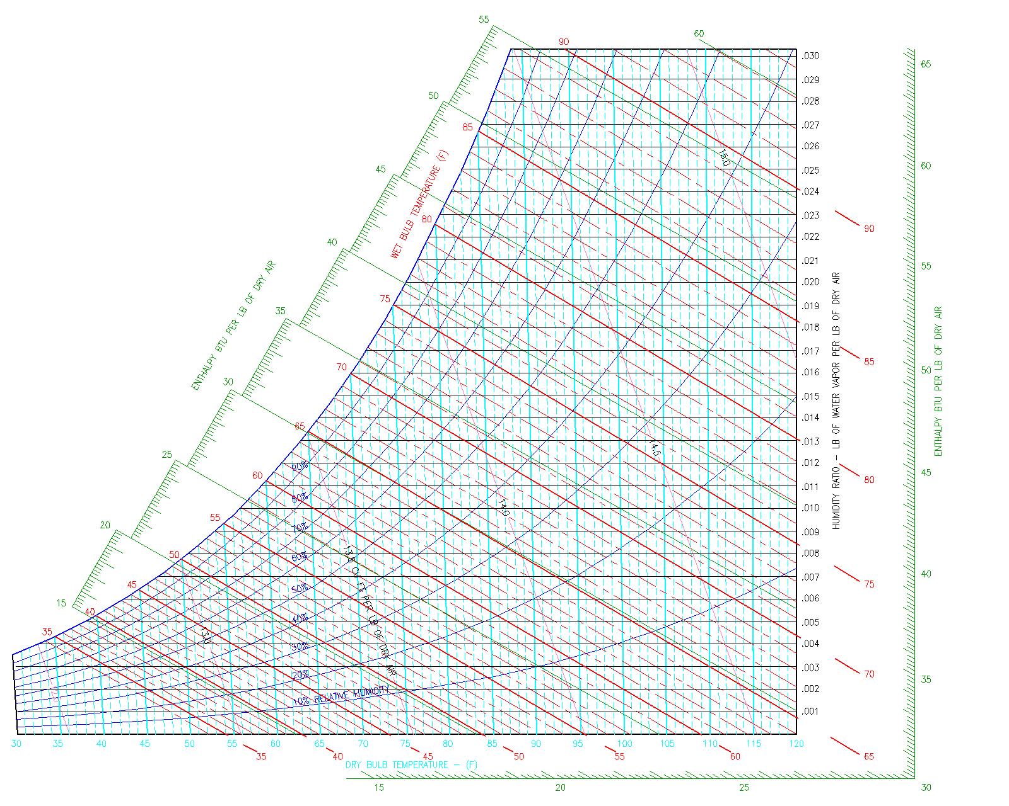
Exhaust Gases Available Heat or Combustion Efficiency
 |  | Current | Modified
 |  | Please enter values in both Current and Modified columns.
Furnace Flue Gas Temperature | deg. F.
Select Input (% XS Air or % O2) |  | % XS Air | % XS Air
Oxygen in Flue Gases (%) | %
% Excess Air | %
Combustion Air Temperature | deg. F.
Calculated % O2 in Flue Gas | % | 0.0 | 0.0
Available Heat (%) | % | 93.9 | 93.9
Available Heat (If User Defined) (%) | % | 90.1 | 90.1 | Click button below to calculate user defined available heat
Available Heat to Use In Calculation |  | User Defined | Calculated
Available Heat | % | 90.1 | 93.9

NOTES:
Enter notes here on proposed changes for the "Modified" conditions.

Select Fuel Analysis by weight (mass) percentage or by volume percentage.

Available Heat Calculation for Gaseous Fuels
Given Volumetric Gas Analysis

Name or designation of fuel | Natural Gas - East Ohio

Gas composition | By volume
CH4 | 94.10% | Note: The gas analysis will be adjusted to make total 100% for the calculations.
C2H6 | 3.01%
N2 and other inert | 1.41%
H2 | 0.01%
C3H8 | 0.42%
C4H10 + CnH2n | 0.28%
H2O | 0.00%
CO | 0.00%
CO2 | 0.00%
SO2 | 0.00%
O2 | 0.01%
Total of fuel components | 99.24%
Difference | 0.76%

 |  | Current | Modified
Fuel temperature | Deg. F.
Combustion air temperature | Deg. F. | 0 | 0
Flue gas temperature | Deg. F. | 0 | 0
Excess air used for combustion | % | 0% | 0%

Results |  | Current | Modified
Avaiable Heat | % | 90.1% | 90.1%
Higher (Gross) calorific (heating value) of the fuel | Btu/ft3 | 1,033 | 1,033
 | kcal/m3 | 9,196 | 9,196
% O2 in Flue gases (dry basis) | % | 0.0% | 0.0%
Stoichiometric air required | ft3 air/ft3 fuel gas | 10.23 | 10.23
Actual air required |  | 10.23 | 10.23
Available heat based on higher calorific value of the fuel

radiation_vf
Note:
Calculate value of X axis to find view factor using the graphs.
The values for open dimensions need to be entered manually
Read View Factor From Chart Using Opening Type and Ratio

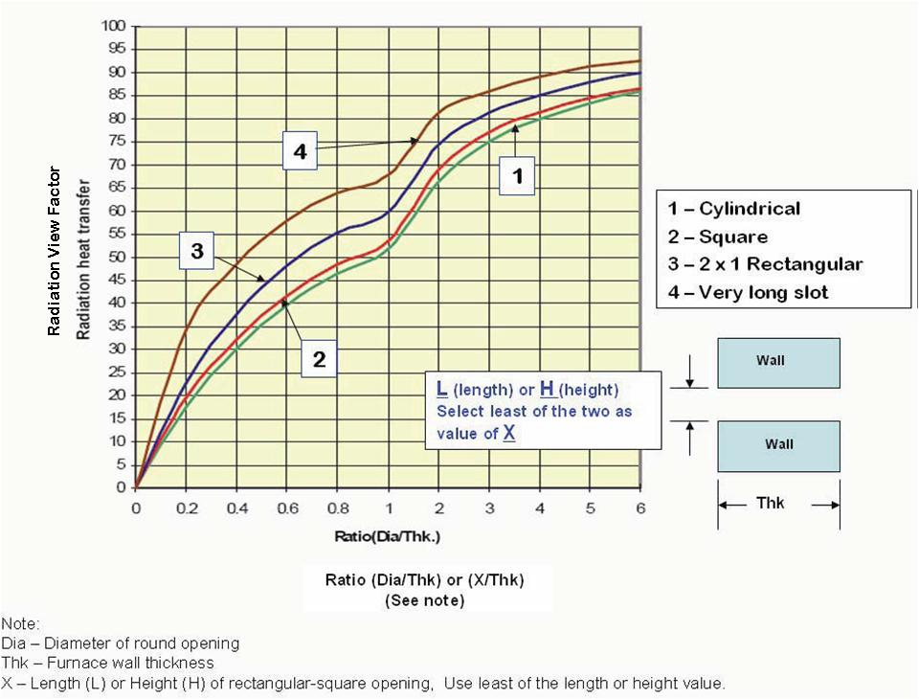

 | For Rectangular Opening
 | Opening length (Inch)
 | Thickness (Inch)
 | Opening width (Inch)
 | Value of X axis | -

 | View factor

 | For Cylindrical Opening
 | Diameter (Inch)
 | Thickness (Inch)
 | Value of X axis | -

 | View factor

What is PHAST
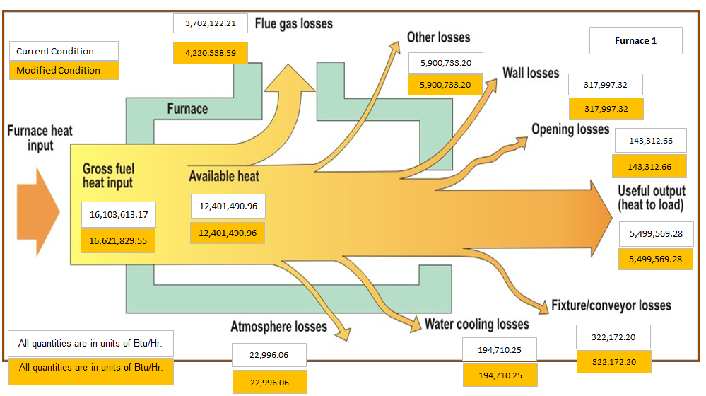
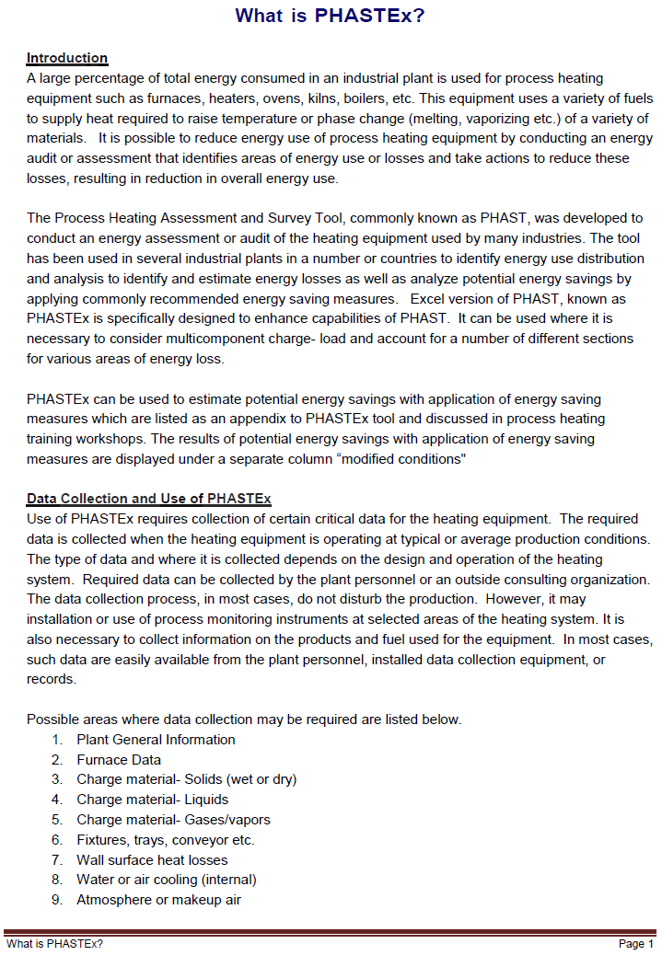

Return To Control Page

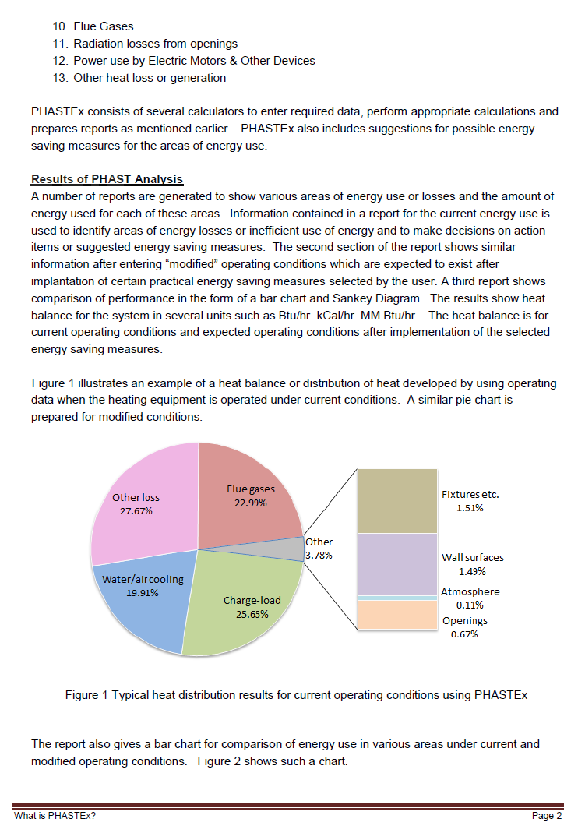

Return To Control Page

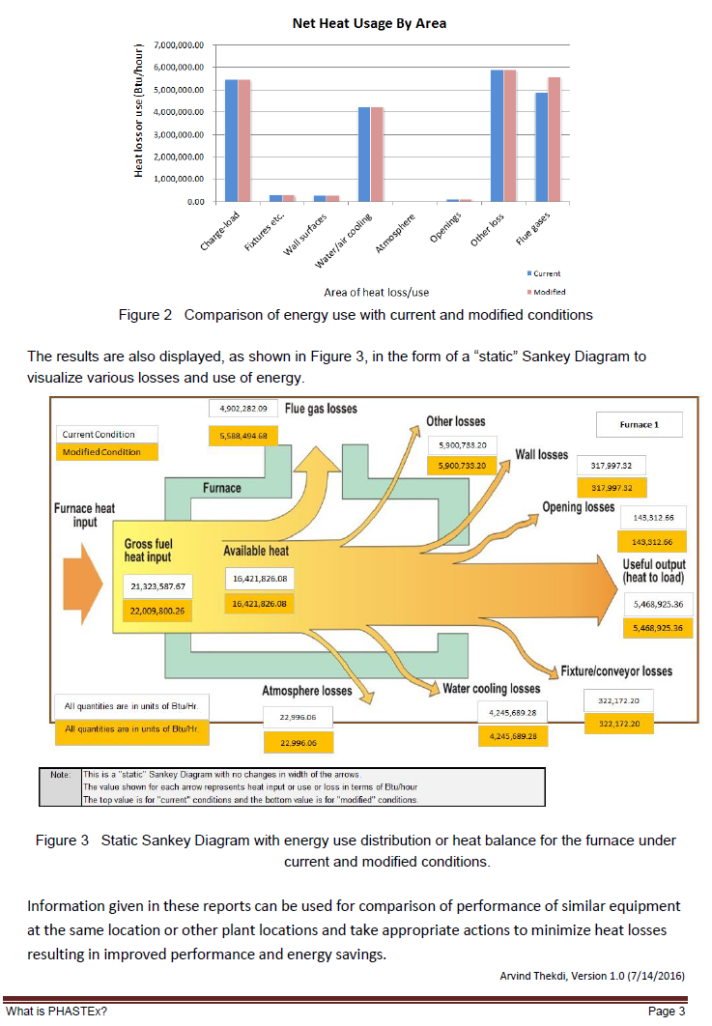
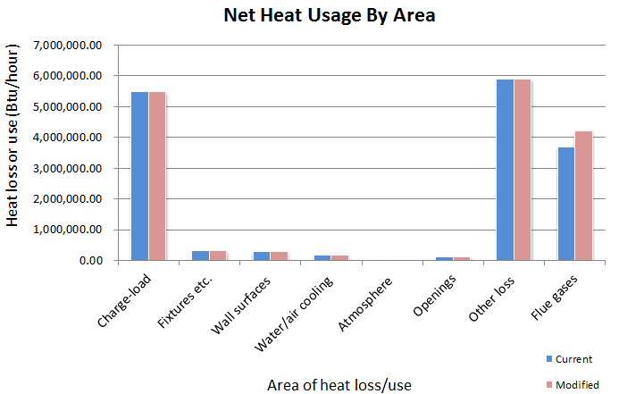

Return To Control Page

